Simplified problem
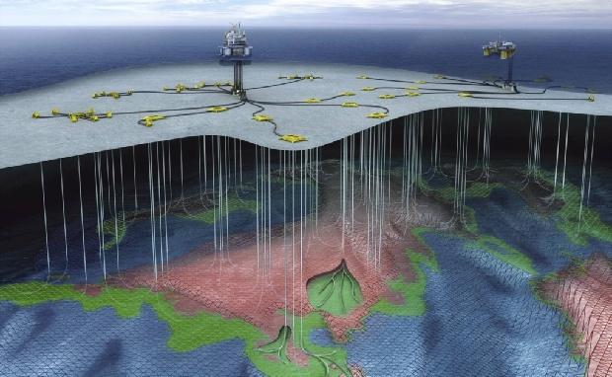
Wells

Separator - separates oil, water and gas
 |  |  |  |  | Simplified
 |  |  |  |  | problem

Multiphase pipeline

Wells

 | Choke valve

Well production model

Well rate |  |  |  | Well rate

 | water |  |  |  | water

 |  |  | oil |  |  |  | oil

 |  | gas |  |  |  | gas

 |  |  |  |  | Choke valve position

